SMSAAM

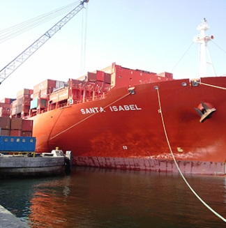
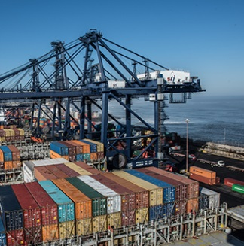

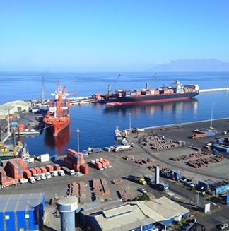
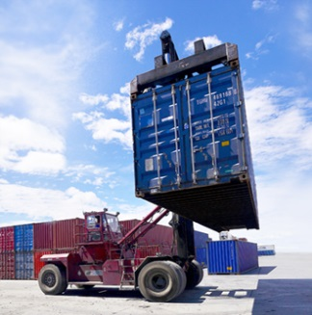
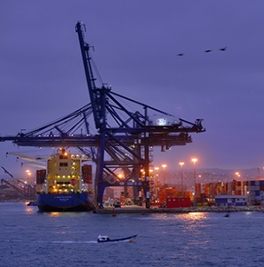
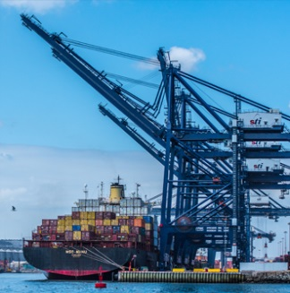
Presentation of Results Third Quarter 2016

 | Home | Sociedad Matriz SAAM S.A.

1 | Business Description | Shares outstanding | 9,736,791,983
2 | Financial Statement | Free Float | 49.24%
3 | Balance | Web Page | www.saam.com
4 | Towage | Bloomberg | SMSAAM CI
5 | Port Terminals | Santiago Stock Exchange | SMSAAM
6 | Logistics | ISIN | CL0001856989
7 | Towage Volume
8 | Port Volume | Report
9 | Logistic Volume | Periodicity | Quarterly
10 | Cash and Financial Debt | Accounting Standars | IFRS
 |  | Currency | Thousands US$

This presentation provides general information about Sociedad Matriz SAAM S.A. (“SMSAAM”) and related companies. It consists of summarized information and does not purport to be complete. It is not intended to be relied upon as advice to potential investors. No representation or warranties, express or implied, are made as to, and no reliance should be placed on, the accuracy, fairness or completeness of the information presented or contained herein. Neither SMSAAM nor any of its related companies, advisers or representatives, accepts any responsibility whatsoever for any loss or damage arising from any information presented or contained in this presentation nor do they make any undertaking to update any such information subsequent to the date hereof. Each investor must conduct and rely on its own evaluation when making an investment decision; this presentation does not constitute legal tax or investment advice. This presentation does not constitute an offer or invitation or solicitation of an offer, to subscribe or purchase any shares or securities. Neither this presentation nor anything contained herein shall constitute the basis of any agreement, contract or commitment whatsoever.

