SMSAAM

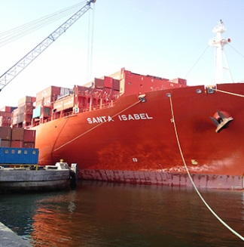
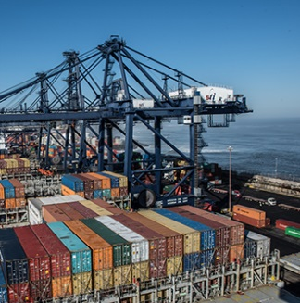

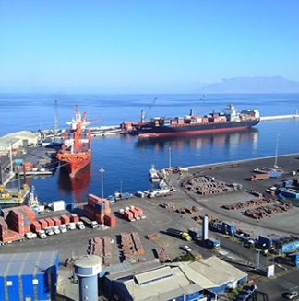
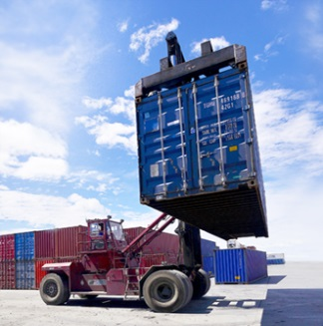
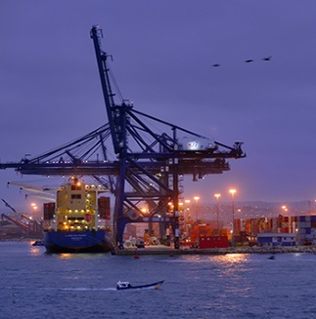
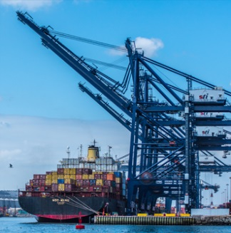
Presentation of Results First Quarter 2017

 | Índice | Sociedad Matriz SAAM S.A.

1 | Business Description | Shares outstanding |  | 9,736,791,983
2 | Annual Summary | Free Float |  | 47.80%
3 | Financial Statement | Web Page |  | www.saam.com
4 | Balance | Bloomberg |  | SMSAAM CI
5 | Towage | Santiago Stock Exchange |  | SMSAAM
6 | Port Terminals | ISIN |  | CL0001856989
7 | Logistics
8 | Towage Volume
9 | Port Volume | Report
10 | Logistic Volume | Periodicity | Trimestral
11 | Cash and Financial Debt | Accounting Standars | IFRS
 |  | Currency | MUS$

This presentation provides general information about Sociedad Matriz SAAM S.A. (“SMSAAM”) and related companies. It consists of summarized information and does not purport to be complete. It is not intended to be relied upon as advice to potential investors. No representation or warranties, express or implied, are made as to, and no reliance should be placed on, the accuracy, fairness or completeness of the information presented or contained herein. Neither SMSAAM nor any of its related companies, advisers or representatives, accepts any responsibility whatsoever for any loss or damage arising from any information presented or contained in this presentation nor do they make any undertaking to update any such information subsequent to the date hereof. Each investor must conduct and rely on its own evaluation when making an investment decision; this presentation does not constitute legal tax or investment advice. This presentation does not constitute an offer or invitation or solicitation of an offer, to subscribe or purchase any shares or securities. Neither this presentation nor anything contained herein shall constitute the basis of any agreement, contract or commitment whatsoever.

